CRGP
 |  | RWP to reach out to Bryn/Lynn and Dan Kramarz for meetings with each county - in-person or virtual (check on travel budget)
CRGP
County | Count
Milwaukee | 38
Brown | 15
Washington | 13
Fond du Lac | 12
Outagamie | 11
Waukesha | 8
Dodge | 5
Barron | 4
Kenosha | 6
Winnebago | 6
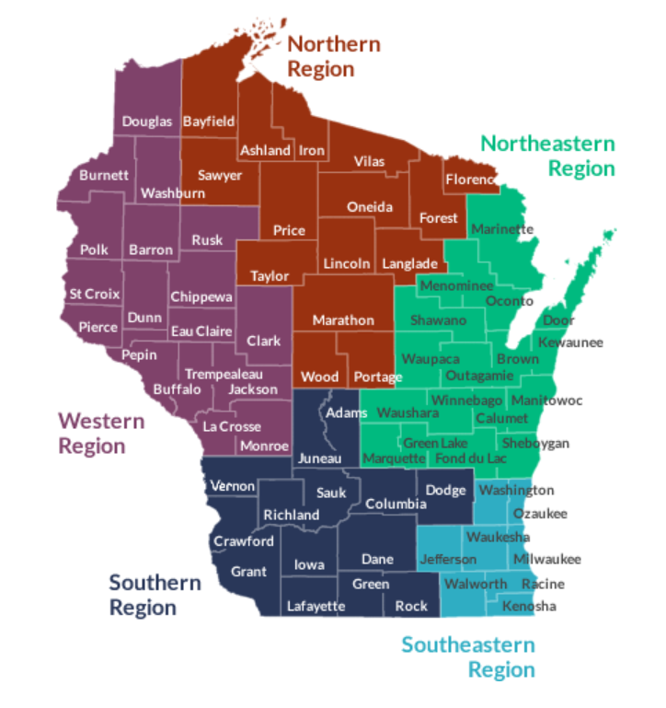
Wood | 4
Dane | 7
Chippewa | 5
Racine | 4
Walworth | 3
Kewaunee | 2
Vernon | 1
La Crosse | 1
Eau Claire | 3
Columbia | 1
Sauk | 1
Manitowoc | 1
Wisconsin Counties Not Listed
Adams
Ashland | KL emailed ADRC
Bayfield | KL emailed ADRC
Buffalo | KL emailed ADRC
Burnett
Calumet
Clark
Crawford
Door
Douglas
Dunn
Florence
Forest
Grant
Green
Green Lake
Iowa
Iron | KL emailed ADRC
Jackson
Jefferson
Juneau
Lafayette
Langlade
Lincoln
Marathon
Marinette
Marquette
Menominee
Monroe
Oconto
Oneida
Ozaukee
Pepin | KL emailed ADRC
Pierce
Polk
Portage
Price | KL emailed ADRC
Richland
Rock
Sawyer
Shawano
St. Croix
Taylor
Trempealeau
Vilas | KL emailed ADRC
Washburn
Waushara

